HDFCDPEFOF

HDFC Dynamic PE Ratio Fund of Funds (AN OPEN-ENDED FUND OF FUNDS SCHEME ) |  |  |  |  |  |  |  |  |  | Income | Hybrid
Portfolio as on 31-Mar-2022

 | ISIN | Coupon (%) | Name Of the Instrument | Industry+ /Rating | Quantity | Market/ Fair Value (Rs. in Lacs.) | % to NAV | Yield | ~YTC (AT1/Tier 2 bonds)
 | MONEY MARKET INSTRUMENTS
 | TREPS - Tri-party Repo
 |  |  | TREPS - Tri-party Repo |  |  | 56.99 | 1.81
 | Reverse Repo
 |  |  | Reverse Repo |  |  | 33.52 | 1.06
 | Sub Total |  |  |  |  | 90.51 | 2.87
 | Total |  |  |  |  | 90.51 | 2.87
 | OTHERS
 | Mutual Fund Units
 | INF179K01XQ0 |  | HDFC Mid Cap Opportunities Fund - Direct Plan - Growth Option |  | 588,482 | 575.53 | 18.28
 | INF179K01YV8 |  | HDFC Top 100 Fund - Direct Plan - Growth Option |  | 76,986 | 566.62 | 18.00
 | INF179KA1RW5 |  | HDFC Small Cap Fund - Direct Plan- Growth Option |  | 714,142 | 559.32 | 17.76
 | INF179K01VF7 |  | HDFC Low Duration Fund - Direct Plan - Growth Option |  | 790,401 | 393.53 | 12.50
 | INF179K01WI9 |  | HDFC Medium Term Debt Fund - Growth Option - Direct Plan |  | 752,912 | 365.61 | 11.61
 | INF179K01YM7 |  | HDFC Short Term Debt Fund - Growth Option - Direct Plan |  | 1,098,617 | 288.05 | 9.15
 | INF179K01XD8 |  | HDFC Corporate Bond Fund - Growth Option - Direct Plan |  | 738,529 | 195.57 | 6.21
 | INF179K01WB4 |  | HDFC Dynamic Debt Fund - Growth Option - Direct Plan |  | 125,112 | 97.85 | 3.11
 | Net Current Assets
 |  |  | Net Current Assets |  |  | 15.93 | 0.51
 | Sub Total |  |  |  |  | 3,058.01 | 97.13
 | Total |  |  |  |  | 3,058.01 | 97.13

 | Grand Total |  |  |  |  | 3,148.52 | 100.00
| | Top Ten Holdings
 | + Industry Classification as recommended by AMFI
 | £ Sponsor
 | ** Thinly Traded/ Non-Traded Securities (Equity) as on March 31, 2022
 | ^ Non-Traded Securities (Debt) as on March 31, 2022
 | # Non Sensex Scrips
 | @ Less than 0.01%.
 | ~ YTC i.e. Yield to Call is disclosed at security level only for Additional Tier 1 Bonds and Tier 2 Bonds issued by Banks as per AMFI Best Practices Notification 135/BP/91/2020-21 read with SEBI circular SEBI/HO/IMD/DF4/CIR/P/2021/034

 | Portfolio Classification by Asset Class(%)
 | Mutual Fund Units |  | 96.62
 | Cash, Cash Equivalents and Net Current Assets |  | 3.38
 | Portfolio Classification by Rating Class(%)
 | Cash, Cash Equivalents and Net Current Assets |  | 100.00

 | Notes :
 | 1) NAV History
 | NAVs per unit (Rs.) | March 31, 2022 | February 28, 2022
 | IDCW Option | 23.1571 | 22.7114
 | IDCW Option - Direct Plan | 24.9824 | 24.4840
 | Growth Option | 26.4269 | 25.9183
 | Growth Option - Direct Plan | 28.4444 | 27.8769

 | Dividend History - Dividend declared during the month ended March 31, 2022 : Nil

 | 2) Total below investment grade or default provided for and its percentage to NAV : Nil
 | 3) Total investments in Foreign Securities / Overseas ETFs / ADRs / GDRs : Nil
 | 4) Repo in Corporate Debt : Nil
 | 5) Total outstanding exposure in Derivative Instruments as on Mar 31, 2022 : Nil
 | 6) Pursuant to SEBI Circular SEBI/HO/IMD/DF3/CIR/P/2020/194 dated October 05, 2020, name of all the existing dividend plan / option of all mutual fund schemes has been renamed as IDCW (Income Distribution cum Capital Withdrawal) Plan / Option with effect from April 01, 2021
 | 7) Riskometer based on Scheme Portfolio and Portfolio Benchmark "NIFTY 50 Hybrid Composite Debt 65:35 Index" as on Mar 31, 2022

 | Scheme Riskometer:
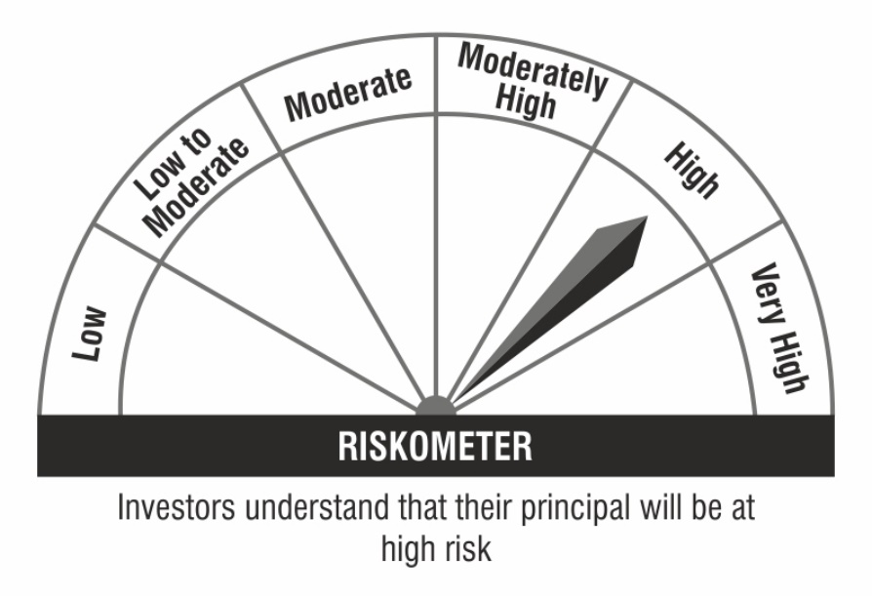

 | Benchmark Riskometer:

